Basic Instructions
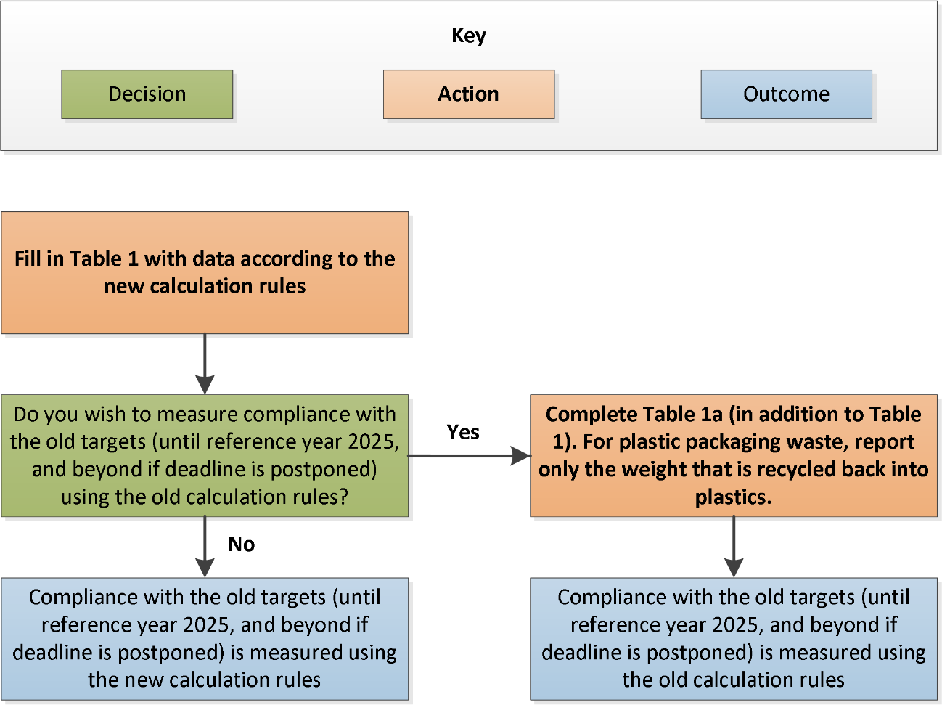
 |  |  | STATISTICAL OFFICE OF THE EUROPEAN UNION
ANNUAL REPORTING OF PACKAGING AND PACKAGING WASTE
2022 DATA COLLECTION

BASIC INSTRUCTIONS
Before filling in the questionnaire please read carefully the instructions below. This EXCEL workbook is the questionnaire. Please do not delete or add rows in the questionnaire (except where instructed in the quality report tab).
Please note that this questionnaire only includes tables 1 to 3. Tables 4 to 7 to report on plastic carrier bags according to Commission Implementing Decision 2018/896 are included in a different questionnaire.
Once you filled in all the required fields, you have to validate the data before submitting the questionnaire (clicking on the button 'Validate questionnaire' on the top left-hand corner of the worksheets). It is of the utmost importance to confirm that there are no pending errors (see 'Errorlog' worksheet), since a questionnaire with errors (red shadowed cells) will be rejected. You can restore the color of the table clicking on 'Restore table color'.
Table of contents
1. Data transmission
2. Reporting conventions
3. Metadata
4. Footnotes
5. Methodology and questions
Annex: How to fill in the data sheets of the questionnaire

1. Data transmission:

The standard tool for the transmission of statistical data is the eDAMIS system. The system creates a secure environment for the transmission of data, it records all data submissions and acknowledges the data delivery. The eDAMIS system has been installed in the National Statistical Institutes.

Please submit this questionnaire to Eurostat using the eDAMIS reporting system. Use the following details:
Domain name: | WASTE
Dataset name: | WASTE_PACKDAT_A

Should you have any questions regarding data transmission do not hesitate to contact your local eDAMIS coordinator or the Eurostat eDAMIS helpdesk at:
web page: | https://webgate.ec.europa.eu/edamis/helpcenter/website/index.htm
e-mail address: | estat-support-edamis@ec.europa.eu
telephone: | (+352) 4301 33213
For methodological questions please contact:
e-mail address: | ESTAT-WASTE-STATISTICS@EC.EUROPA.EU

2. Reporting conventions:

Reporting of zeroes and not availble data must follow this convention:
Description | Symbol
Real zero | 0
Not available |  | (empty cell)

1. White shaded (uncoloured) boxes: Provision of data is mandatory
2. Light blue shaded boxes: Provision of data is voluntary
3. Light purple shaded boxes: Reporting is mandatory only to Member States that include those amounts in the recycling rates (see detailed instructions in 'Table_1' worksheet)
4. Black shaded boxes: reporting is not applicable
5. Grey shaded boxes: calculation is automatic; do not input any data into these cells. There are some circumstances in Table 1 where MS will wish to enter data into these cells, these are referred to in the table footnotes. To input data, first press the "unlock formulas" button situated in the top left-hand corner of this sheet.

3. Metadata:

In the yellow sheet named 'Metadata', please provide information on the sources available and methodology used to produce the statistics on packaging and packaging waste. Please also declare which recycling target the Member State is reporting against.
The metadata consists of background information to provide a national context for understanding the data reported in tables 1-3, whereas the quality report consists of technical information about how the data was collected and calculated.

4. Footnotes:

You are asked to report data that follow as closely as possible packaging waste definitions and reporting rules (see paragraphs below). Please report problems with the coverage or data quality in 'Metadata' worksheet.

Flags (footnote symbols) should be entered in the reporting tables in the footnote columns, next to the value cell. There are two types of footnotes:
- Letters for standard footnotes (as defined by Eurostat) and…
- Numbers for country-specific footnotes (to be defined by the data compilers).

4.1 Standard footnotes
The following footnotes will be used for the automatic data processing and data dissemination. Hence, they cannot be changed:
B) break in series | Please use this flag when the reported figure cannot be compared to the data reported for the previous year, e.g. because of new methods or sources being used or when you move from the old calculation rules to the new calculation rules. Please use this flag only when the change in methods, sources or calculation rules has a substantial impact.
E) estimated data
P) provisional
To include standard footnotes use the drop-down menu.

4.2 Country-specific explanatory footnotes
The explanatory footnotes can be used for any meaning beyond the pre-defined footnotes.
To include an explanatory footnote, please first insert the text in the “Footnote list” sheet starting from number 1. Then in the data table please select the corresponding footnote reference number from the drop-down menu in the footnote column next to the value cell. The text you entered in the “Footnote list” sheet will then appear automatically next to the footnote reference number. The same explanatory footnote can be chosen for all the values for which the same explanation applies. If by mistake a number is chosen from the drop-down menu, it is sufficient to press the key delete to clean the cell.
Please do not report footnotes that elaborate on e.g. source data and compilation methods; these are to be described in the quality report and the metadata sheets.

5. Methodology and questions:

The guidelines to report on packaging and packaging waste are available on Eurostat website:
https://ec.europa.eu/eurostat/web/waste/methodology

The guidelines contain definitions, examples and recommendations to ensure data are compiled and maintained on consistent basis. They explain the scope and reasoning behind the terms of the tables, and provide extra information necessary to allow a consistent collection and interpretation of the data to be reported by countries. A great effort has been put into increasing coherence and providing guideline users with practical recommendations. Full implementation of these recommendations should help to ensure that data are compiled and maintained on a consistent basis.
A summary methodology is presented in this questionnaire, in the sheet named 'Methodology'. It is essential to read this sheet before filling in the questionnaire as it contains, beside the summary methodology, important information on priorities for filling in the tables, data sources and hints for establishing a methodology at national level.
Packaging and packaging waste shall be reported against the new targets in the amending Directive (EU) 2018/852. Reporting in addition against the old targets in Article 6 of Directive 94/62/EC may be done according to the old rules.
If you have questions, please send them to the following email addresses:
ESTAT-WASTE-STATISTICS@EC.EUROPA.EU

Annex: How to fill in the data sheets of the questionnaire

You are kindly requested to:
a) Explain the methodology and targets you have selected for reporting (orange sheet named "Metadata").
b) Table 1 is the new format for reporting on packaging and packaging waste. Therefore, Table 1 MUST BE USED IN ALL CASES. Table 1a is only to be used if Table 1 contains data according to the new calculation rules, but a Member State wants to prove compliance with the old targets (until 2025 and beyond in case of a derogation) using the old rules. To fill in the cells for reporting on aluminium and steel packaging, you have to click on the button 'Unlock formula'. Also, the three different recycling columns have to be filled in. Finally, the ‘Energy Recovery’ column shall include incineration with energy recovery and the reprocessing of waste to be used as fuel or other means to generate energy (It includes both columns from the former questionnaire.
c) Table 1a. You only have to fill in Table 1a if you want to prove compliance with the old targets until 2025 (and beyond in case of a derogation) using the old rules.
d) Table 2 needs to be completed if a Member State wants to make use – in accordance with Article 5(2) of Directive 94/62 - of the adjusted level for the recycling targets in Article 6(1)(f) to (i) of Directive 94/62. These targets apply from reference years 2025 respectively 2030. In principle, Table 3 contains the necessary information for completing Table 2. Then, from reference year 2023 onwards, the necessary information to complete Table 2 for three previous years can be derived from Table 3 as reported for the previous reference years. If a Member State wishes to see their distance to target for the 2025 targets already before, it is possible that the Member States complete the data for Table 2 for the three previous reference years (2018, 2017, 2016) if such data are available. Filling in these earlier years is voluntary.
e) Filling in Table 3 is obligatory for the reference year 2020 onwards, and the first report is due by 30 June 2022.
Tables 1 to 3
1) All mandatory data cells must be filled in with a value (or a zero). In the questionnaire all these cells are uncoloured. For light purple cells see Table 1.
2) All the cells that include voluntary data can be filled in with a value, a real zero or remain empty if data are not available. In the questionnaire all these cells are coloured in light blue.
3) Flags (footnote symbols) can be entered in the reporting tables in the footnote columns.
4) To include standard footnotes use the drop-down menu.
5) The text of specific footnotes can be entered in the worksheet 'Footnotes list'.
6) Complete the quality report, providing as much information as possible.

